Data
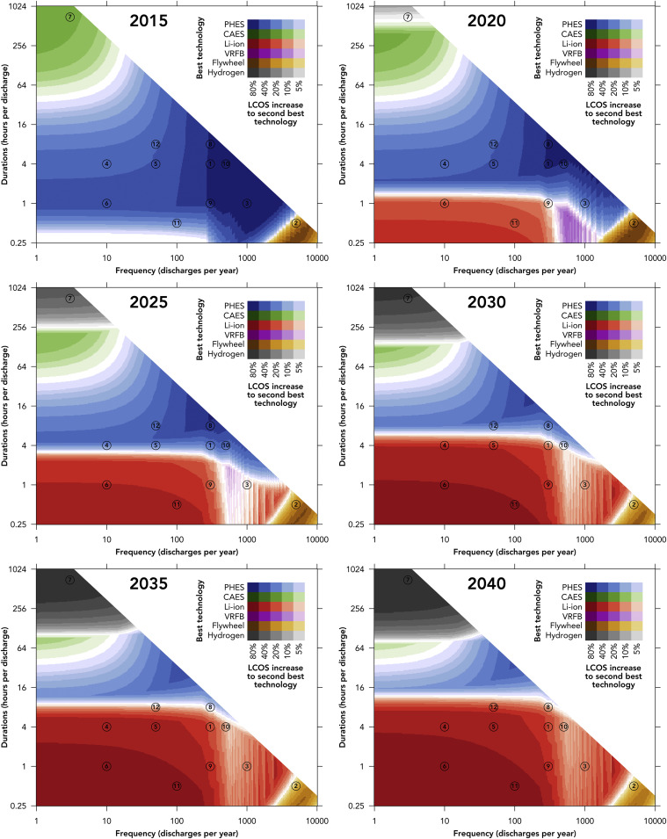
Source: | Oliver Schmidt, Sylvain Melchior, Adam Hawkes, and Iaian Staffell

Figure shows most cost-effective energy storage technology at various charge/discharge cycle counts and duration of charge/discharge
For significant quantities of energy stored (high on Y-axis), compressed air (blue) and hydrogen (black) dominate as the two most relevant technologies.

